Defect Atlas
Defect Atlas — Visual Reference
Visual reference for inspector training and supplier feedback. Each section pairs the defect category with the original IQC reference photo. Use the right-hand column to record which canonical defect category each photo maps to.

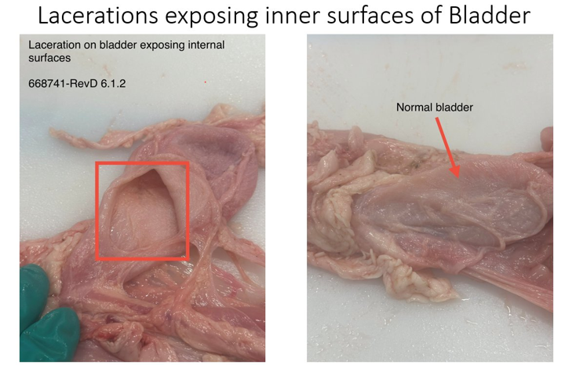
1. Bladder Laceration exposing internal surfaces
Reference photo | Canonical defect category | Inspector notes
 | Bladder Laceration (exposing internal) | Per spec 668741-RevD §6.1.2. Right-hand panel shows a normal bladder for contrast. Exposing the inner mucosa is the disqualifier — surface scratches that do not penetrate are acceptable.

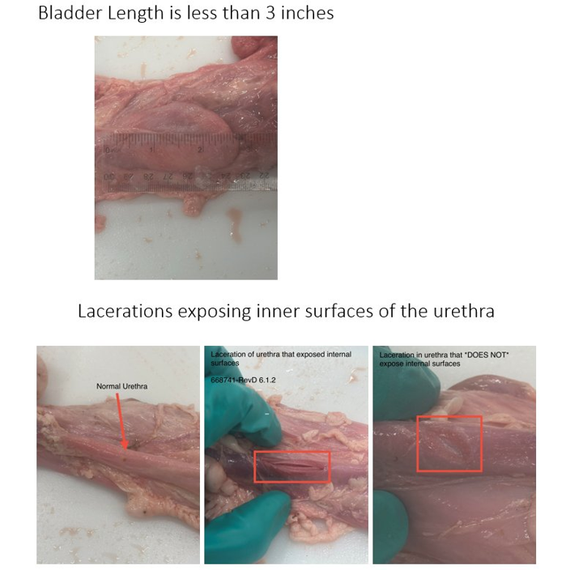
2. Bladder Length Undersize + Urethra Laceration
Reference photo | Canonical defect category | Inspector notes
 | Bladder Length Undersize / Urethra Laceration (exposing internal) | Top: bladder measured below the lower spec limit (was <3", relaxed to <2" on 2026-03-23). Bottom: urethral laceration that exposes the lumen vs one that does not. Only lumen-exposing lacerations are scrapped.

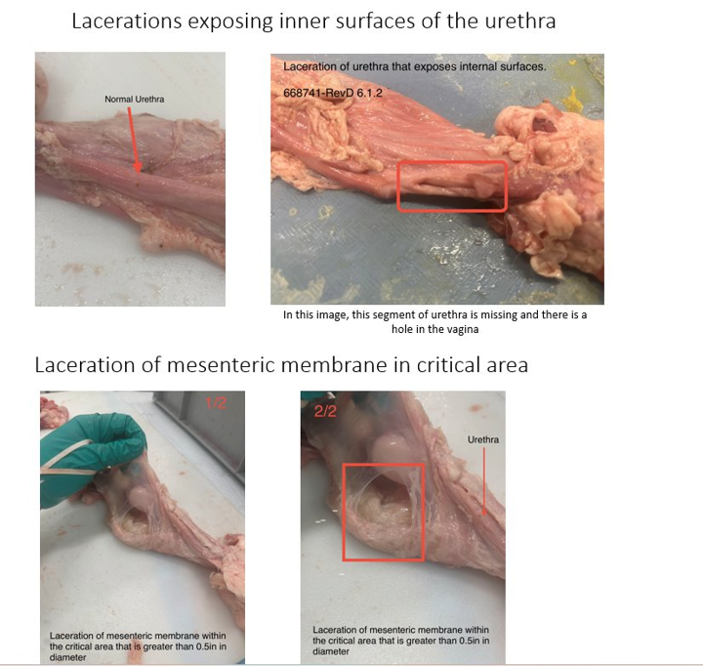
3. Urethra Laceration + Mesentery Laceration in critical area
Reference photo | Canonical defect category | Inspector notes
 | Urethra Laceration (exposing internal) / Critical Mesentery Hole/Laceration (>0.5") | Top-right: a missing urethral segment with a corresponding hole in the vagina — full disqualifier. Bottom: mesenteric membrane perforation in the critical area exceeding 0.5" diameter.

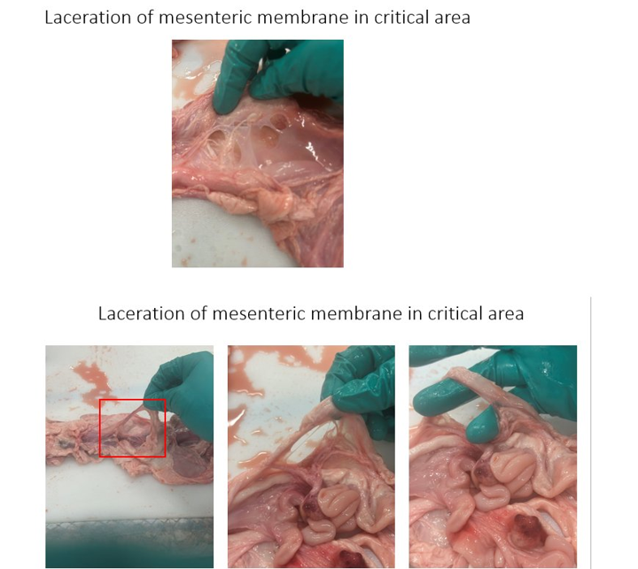
4. Mesentery Laceration in critical area
Reference photo | Canonical defect category | Inspector notes
 | Critical Mesentery Hole/Laceration (>0.5") | Multiple holes visible in the critical zone. Common at Martins early in the period (17 units on 2026-02-23) and again on 2026-03-16 (18 units) and 2026-04-20 (18 units). Pattern suggests harvest tool / technique variability rather than animal variability.

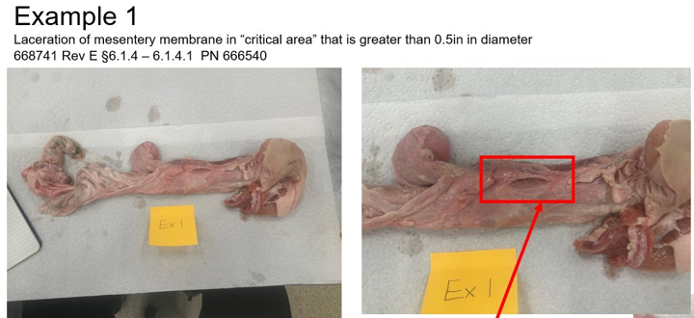
5. Mesentery Critical Area — Example 1 (PN 666540 Male)
Reference photo | Canonical defect category | Inspector notes
 | Critical Mesentery Hole/Laceration (>0.5") | Reference example for the male part. Spec ref: 668741 Rev E §6.1.4 – 6.1.4.1.

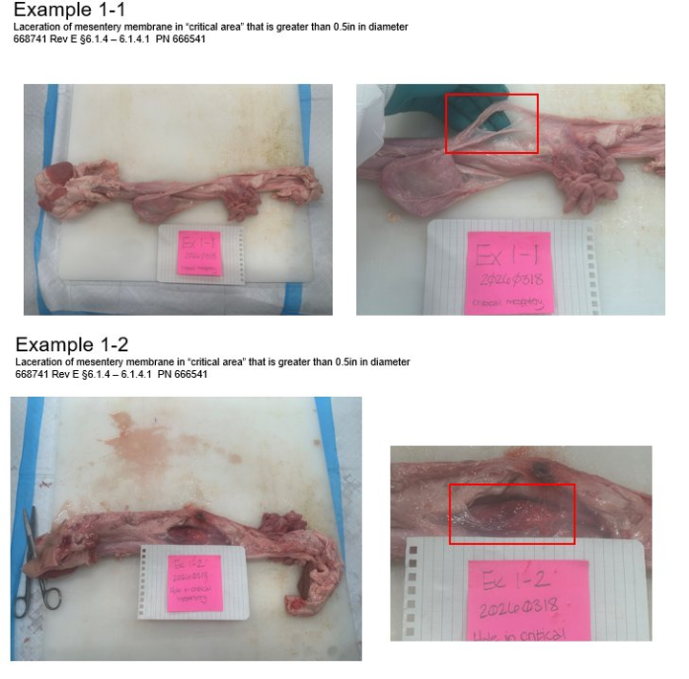
6. Mesentery Critical Area — Examples 1-1 and 1-2 (PN 666541 Female)
Reference photo | Canonical defect category | Inspector notes
 | Critical Mesentery Hole/Laceration (>0.5") | Reference examples for the female part, dated 2026-03-18. Spec ref: 668741 Rev E §6.1.4 – 6.1.4.1. Useful for inspector calibration sessions.

